1. Title Page
[Grocery Basket Report]

Project Name: Instacart Grocery Basket Analysis
Date: November 2024
Analyst Name: Kareemah Ashiru

Contents
Population Flow
Consistency checks
Wrangling steps
Column derivations
Visualizations
Recommendations

Data Source
U.S. Region data: https://simple.wikipedia.org/wiki/List_of_regions_of_the_United_States
The customer data you explored, as well as the “prices” column in the products data set, were both fabricated for the purpose of this course

2. Population Flow
Title page

Population flow

Exclusion flag
Condition: max_order < 5
Obervations to be removed: 1,441,548
Final total count of order_products_all: 30,992,664

Orders_products_combined
Orders_products_merged
Orders_products_all (i.e. customers)

Total: 32,434,211
Total: 32,434,488
Total: 32,434,211

1.) The grey boxes in the first row of the population flow represent the original data sets as they were when you downloaded them. In the Total fields you need to add the count of the rows when you imported the data set into Jupyter.
2.) The second row of boxes (coloured) represents the data sets after you manipulated them, e.g., removed missing values and duplicates. In the Total fields you need to add the count of the rows after conducting these operations. This offers a visual oveview of how the data flows throughout the data consistency checks.
3.) The third row, where also the arrows are coloured, represents the merges you performed between the datasets. In the Total fields you need to add the count of the rows in the merged datasets, so that you end up with the final dataset (in the red box). Keep in mind the final dataset should be without exclusions (based on the exclusion flag).

3. Consistency checks
 |  |  |  | Title page
Consistency checks

Dataset | Missing values | Missing values treatment | Duplicates
orders | 206,209 in the 'days_since_prior_order' column | Flagged as first_order | No duplicates
products | 16 missing 'product_name' | Deleted rows missing data | 5 duplicates, deleted
 | Prices of $999999 | Filtered the prices to </= $15
orders_products_prior | None | None | No duplicates
customers | None | None | No duplicates
 |  | changed to Nan

4. Wrangling steps
 |  |  |  | Title page
Wrangling steps

Columns dropped | Columns renamed | Columns' type changed | Comment/Reason
Unnammed: 0 |  |  | irrelevant
_merge |  |  | redundant
last_name |  |  | PII data
eval_set |  |  | not needed
 | order_dow to orders_day_of_week |  | clarity
 | First Name to first_name |  | format consistency
 | Surnam to last_name |  | format consistency
 | Gender to gender |  | format consistency
 | STATE to state |  | format consistency
 | Age to age |  | format consistency
 | fam_status to family_status |  | clarity and format consistency
 |  | order_id | data type change integer to string
 |  | user_id | data type change integer to string

5. Column derivations
 |  |  |  |  |  | Title page

Column derivations and aggregations

In this tab you should add tables below that the frequences of flags/label variables that you produced after deriving them. NB: don't do this for continuous variables, only for flags.
Dataset | New column | Column/s it was derived from | Conditions
low_activity_excluded | income_group | income | if value > 100000 then 'High' if value >= 50000 & < 100000 then 'Middle' if value < 50000 then 'Low'
low_activity_excluded | age_group | age | if value > 65 then 'Senior' if value > 40 & <= 65 then 'Older Adult' if value > 25 & <= 40 then 'Adult' if value <= 25 then 'Young adult'
low_activity_excluded | dependants_flag | n_dependants | if value == 0 then 'No Dependents' if value >= 1 then 'Has Dependents'
orders_products_customers | activity_flag | max_order | if value < 5 then 'low-activity customer' if value >= 5 then 'high-activity customer'
orders_products_customers | region | state | State defined into regions according to this List of regions of the United States
orders | first_order | days_since_prior_order' | NaN
ords_prods_merge | price_range | prices | if prices <= 5 then 'low-range product' if prices >5 & <= 15 then 'mid-range product' if prices > 15 then 'high-range product' else 'not enough data'
ords_prods_merge | busiest_day | orders_day_of_week | if value == 0 then 'Busiest day' if value == 4 then 'Least busy' else 'Regularly busy'
ords_prods_merge | busiest_days | orders_day_of_week | if value == 0 or 1 then 'Busiest days' if value == 3 or 4 then 'Slowest days' else 'Regularly busy'
ords_prods_merge | busiest_period_of_day | hour_of_day | if value == 10 or 11 then 'most orders' if value == 3 or 4 then 'fewest orders' else 'average orders'
ords_prods_merge | loyalty_flag | max_order | if value > 40 then 'Loyal customer' if value <= 40 & > 10 then 'Regular customer' if value < 10 then 'New customer'
ords_prods_merge | mean_spend | prices | average price per customer
ords_prods_merge | spender_flag | mean_spend | if value > 10 then 'Low spender' if value >= 10 then 'High customer'
ords_prods_merge | customer_frequency | days_since_prior_order | if value < 20 then 'Non_frequent_customer' if value <= 20 & > 10 then 'Regular customer' if value > 10 then 'Frequent customer'
df | region | state | for value in df['state']: if value in ('Maine' 'New Hampshire' 'Vermont' 'Massachusetts' 'Rhode Island' 'Connecticut' 'New York' 'Pennsylvania' 'New Jersey' ) : result.append('Northeast') elif value in ('Wisconsin' 'Michigan' 'Illinois' 'Indiana' 'Ohio' 'North Dakota' 'South Dakota' 'Nebraska' 'Kansas' 'Minnesota' 'Iowa' 'Missouri' ) : result.append('Midwest') elif value in ('Delaware' 'Maryland' 'District of Columbia' 'Virginia' 'West Virginia' 'North Carolina' 'South Carolina' 'Georgia' 'Florida' 'Kentucky' 'Tennessee' 'Mississippi' 'Alabama' 'Oklahoma' 'Texas' 'Arkansas' 'Louisiana' ) : result.append('South') elif value in ('Idaho' 'Montana' 'Wyoming' 'Nevada' 'Utah' 'Colorado' 'Arizona' 'New Mexico' 'Alaska' 'Washington' 'Oregon' 'California' 'Hawaii' ) : result.append('West') else : result.append('Not a region')

region |  | acitvity_flag |  | busiest_days | income_group
South 10801610 |  | Keep (high activity) 30992664 |  | Regularly busy 12927461 | High 14016750
West 8300445 |  | Exclude (low activity) 1441548 |  | Busiest days 11875462 | Middle 13229473
Midwest 7603810 |  | Name: count, dtype: int64 |  | Slowest days 7631289 | Low 3348484
Northeast 5728347 |  |  |  |  | Name: count, dtype: int64
Name: count, dtype: int64

dependents_flag |  | loyalty_flag |  | customer_frequency | age_group
Has Dependents 22945131 |  | Regular customer 15891077 |  | Frequent customer 22808749 | Older Adult 12096581
No Dependents 7649576 |  | Loyal customer 10293737 |  | Regular customer 6935476 | Senior 7737619
Name: count, dtype: int64 |  | New customer 6249398 |  | Non-frequent customer 2689987 | Adult 7290298
 |  | Name: count, dtype: int64 |  |  | Young Adult 3868166
 |  |  |  |  | Name: count, dtype: int64
first_order |  | busiest_day
False 30356128 |  | Regularly busy 22437387 |  | busiest_period_of_day | spending_flag
True 2078084 |  | Busiest day 6209632 |  | Most orders 23226714 | Low spender 31798751
Name: count, dtype: int64 |  | Least busy 3787193 |  | Average orders 8319912 | High spender 635461
 |  | Name: count, dtype: int64 |  | Fewest orders 887586 | Name: count, dtype: int64
 |  |  |  | Name: count, dtype: int64
price_range
Mid-range product 673471
Low-range product 314116
Name: count, dtype: int64

6. Visualizations
 |  | Title page

Visualisations

In this tab you should include all the visualtions from Exercises 4.9 and 4.10, alongside the questions from the project brief that they answer. Include any commentary on the relationship between different variables.

 | Question: What's the busiest hour of the day? What's the busiest day of the week?


 | Commentary: The busiest hours of the day are from 8 am - 6 pm. (I increased the bin to 70 instead of 24 as seen above, to accurately see the details). Saturday is the busiest day of the week
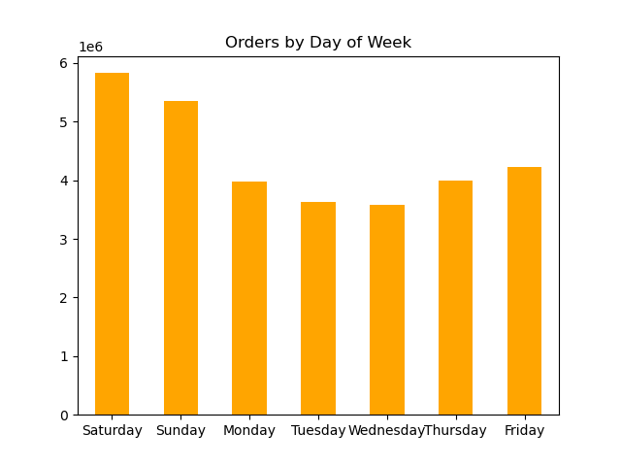

 | Question: How does the customer's spending vary per U.S. region?

 | Commentary: The southern region has the highest number of high and low spenders. This may be due to the number of states, their population and lower cost of living..

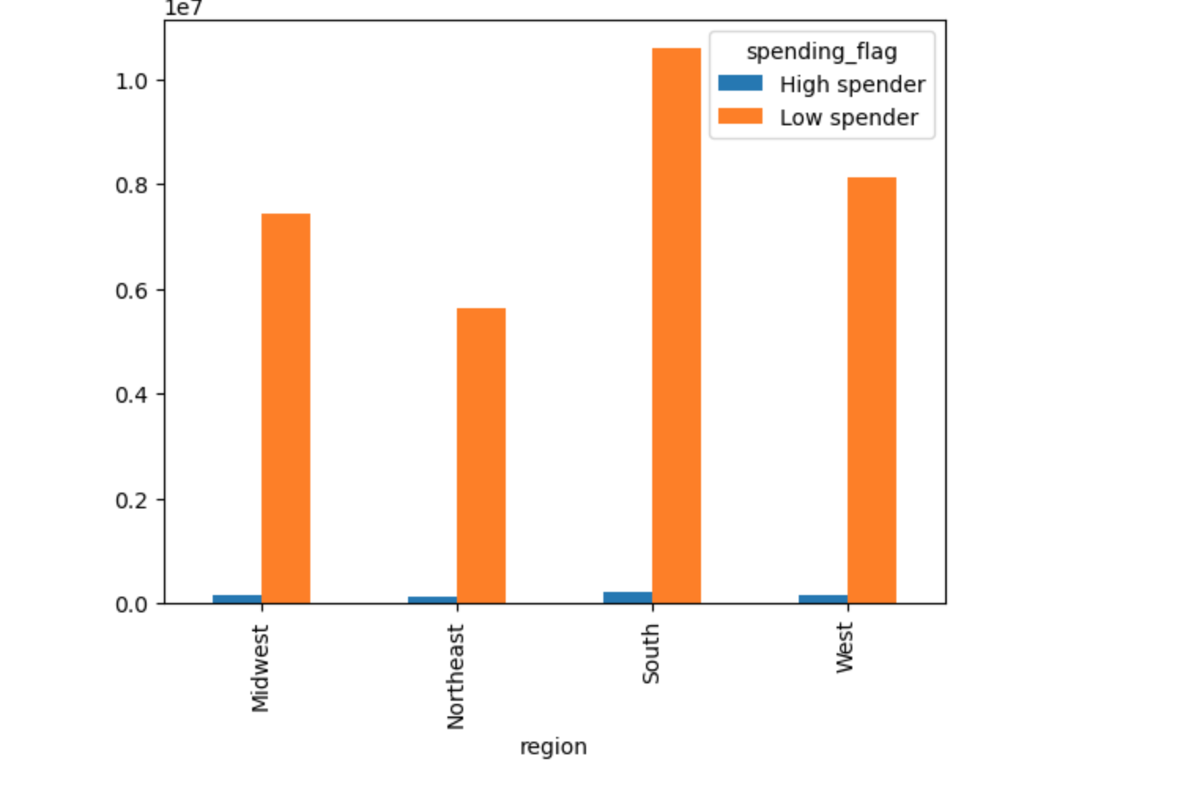

 | Question: What's the correlation between income and age?

 | Commentary: Income drastically increased from 40 years and onwards

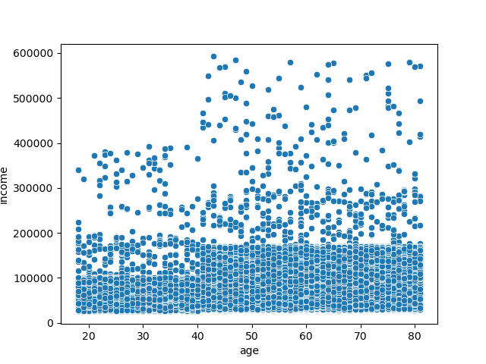

 | Question: What's % share for each age group of customers?

 | Commentary: Most customers are older adults (39%). Older adults are defined as: 40 - 65 years old
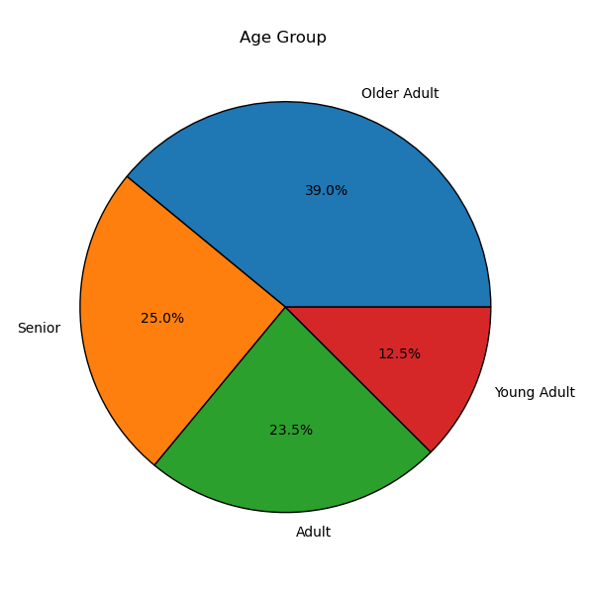

 | Question: Which income group is the largest?

 | Commentary: The high income group has the largest by a few points. It is closely trailed by the middle income group. High income group consists of - > $100,000 , low income group consists of - < $50,000
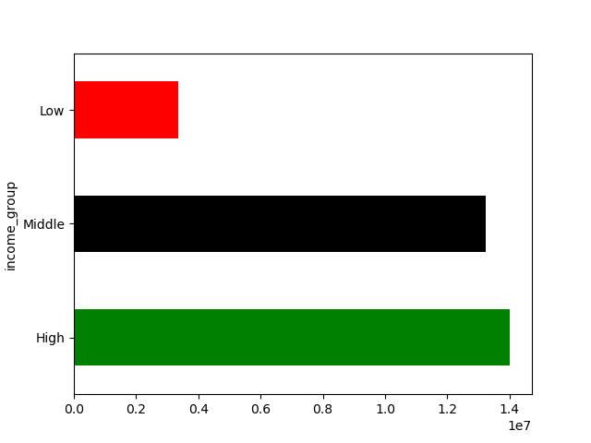

 | Question: What are the most ordered good/products from the department? How does that compare by region?

 | Commentary: Produce are the most ordered goods/products
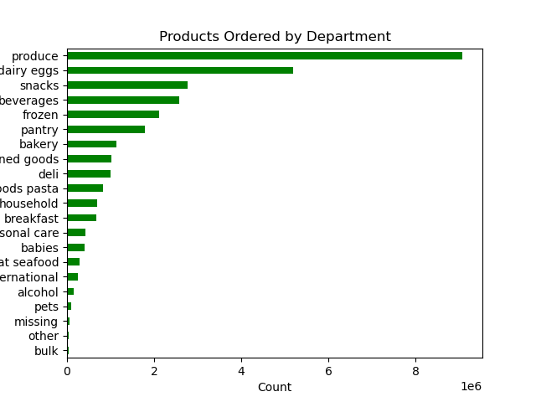

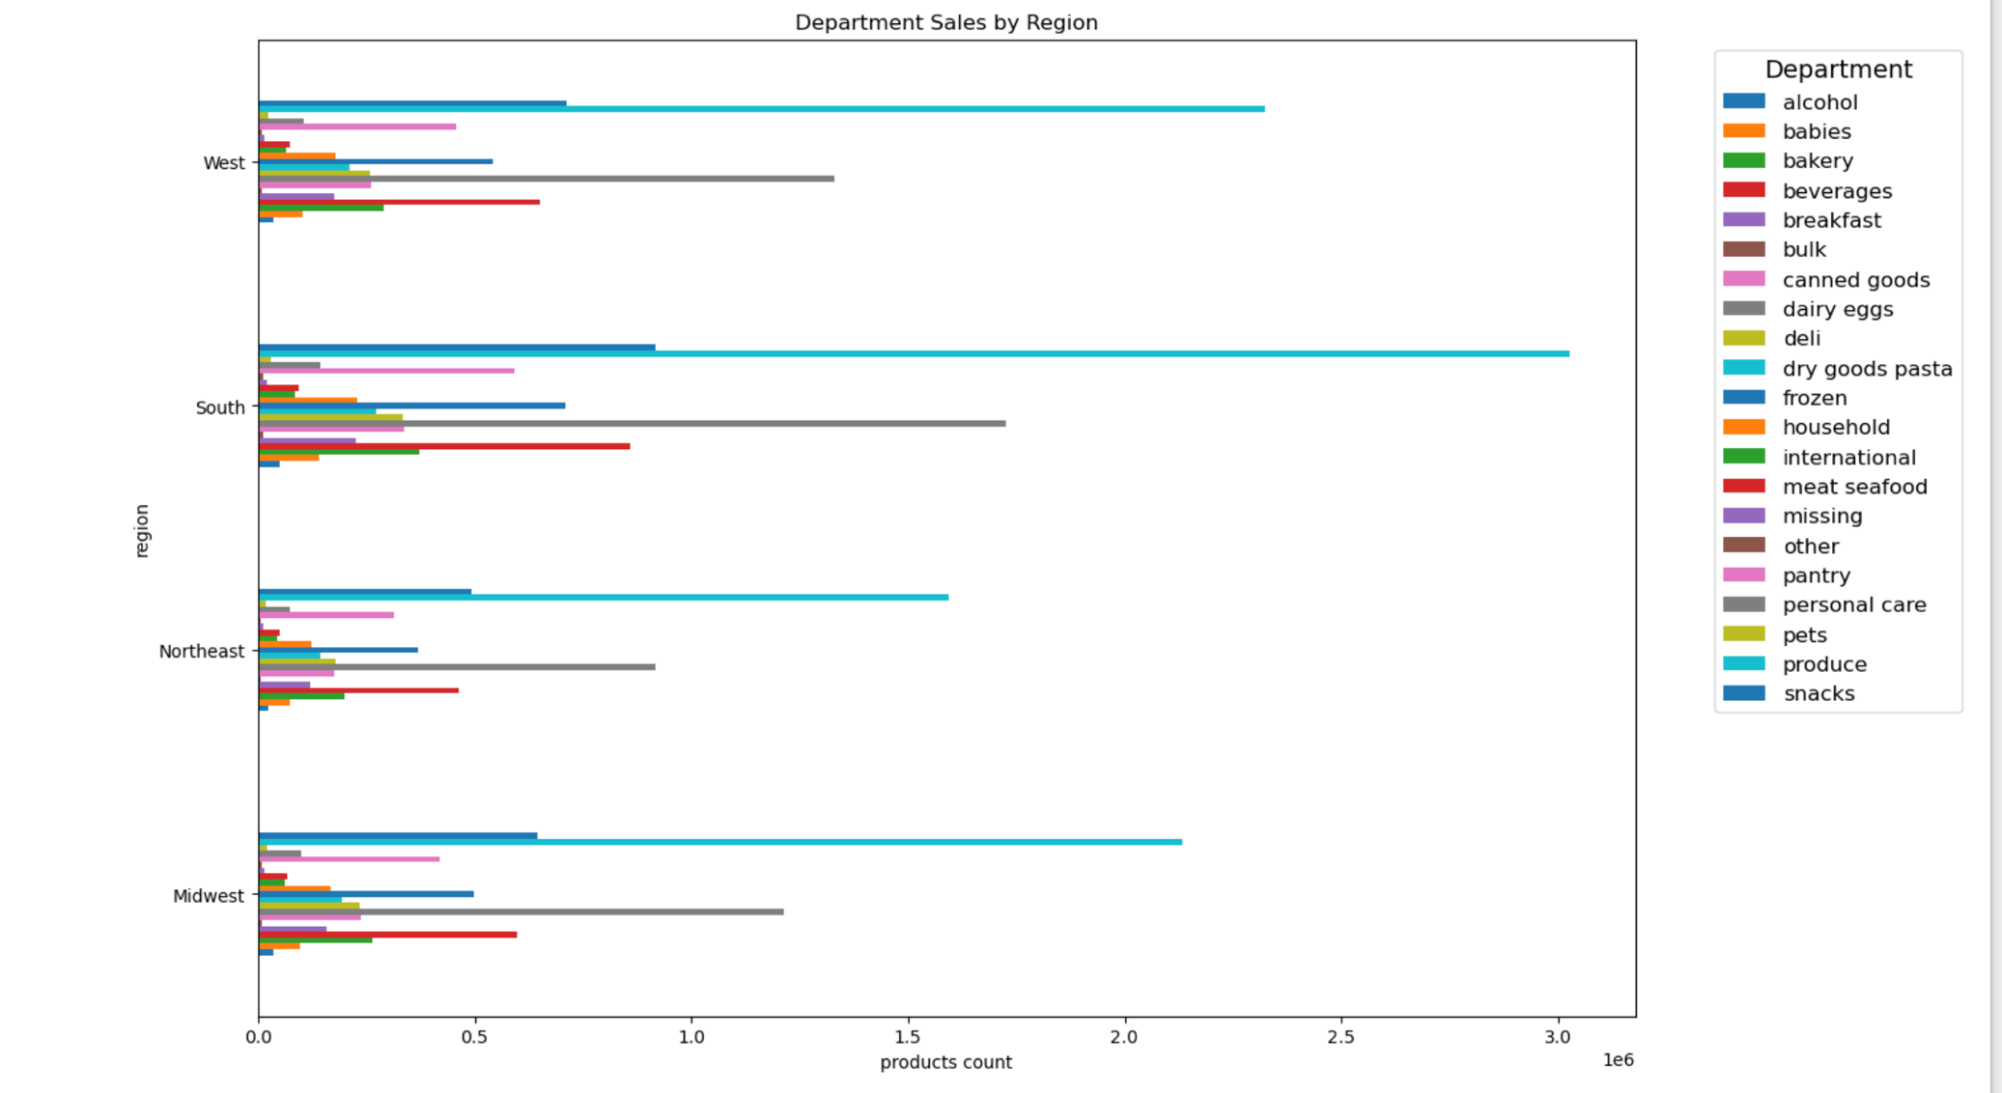

 | Question: What is the % share of dependents and no dependents?

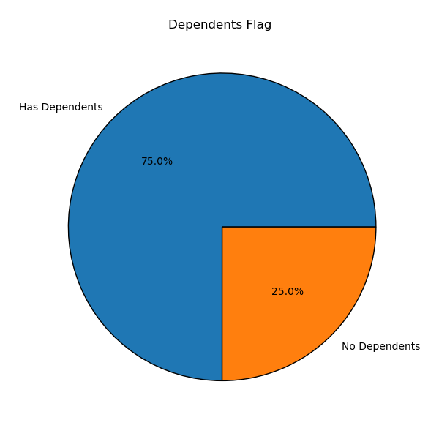
 | Commentary: There are are more customers with dependents (75%) than customers with no dependents (25%)

 | Question: What's the relationship between customer loyalty and other variables ( income group, spender flag, family status, and dependents status)?

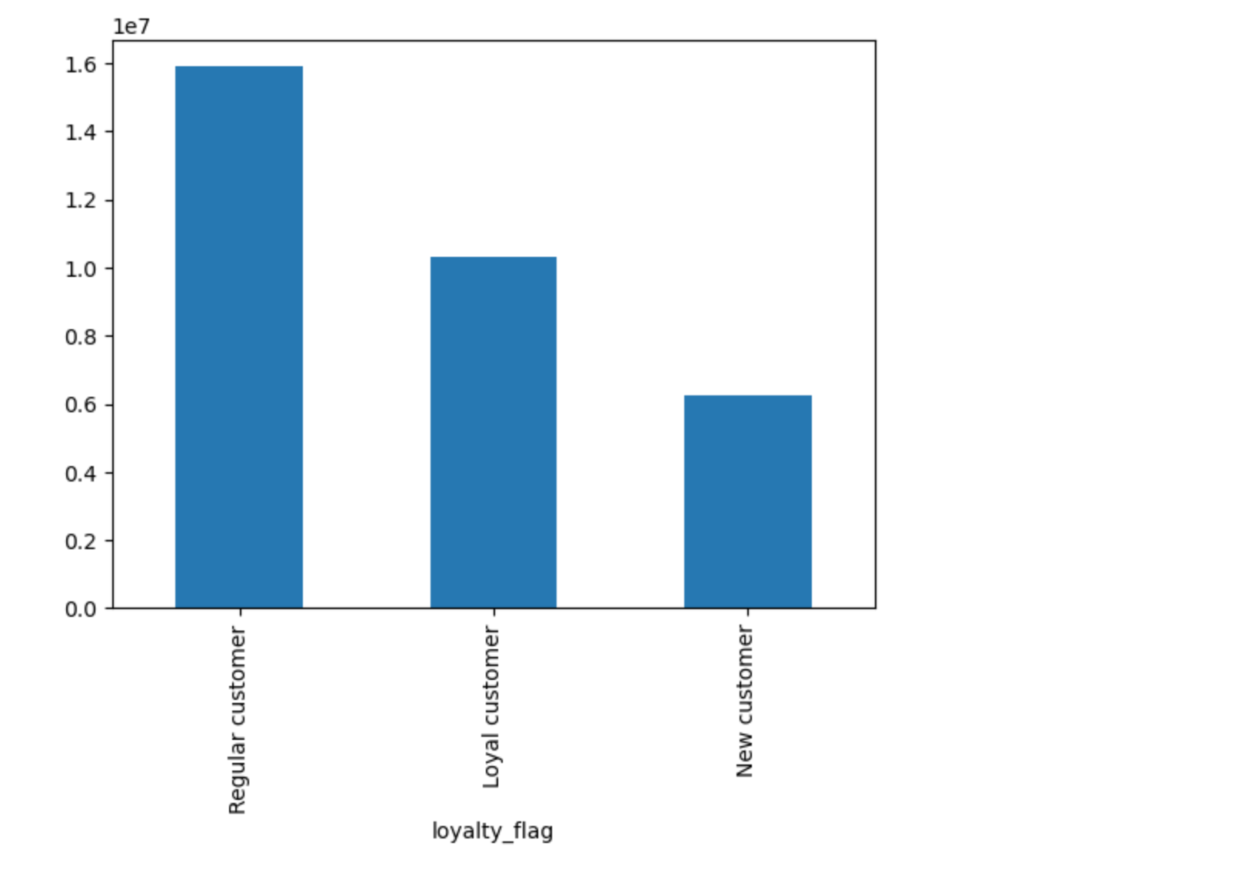
 | Commentary: Overall, there are more regular customers than loyal or new customers.

 | INCOME
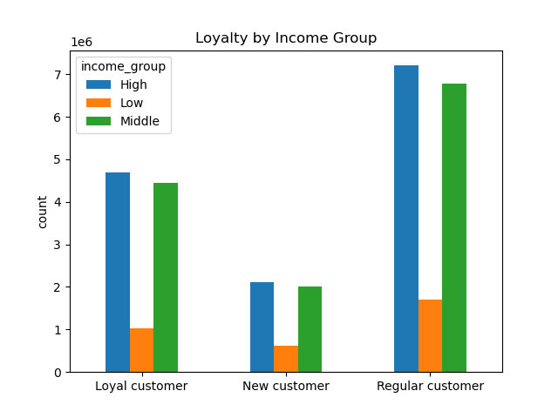

 | Commentary: s. High income group has the highest count by a bit followed by the middle income group.

 | SPENDER
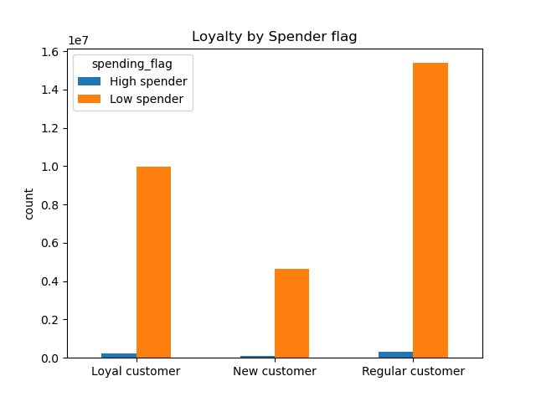

 | Commentary: However, lower spenders have the highest count among the regular customers.

 | FAMILY STATUS
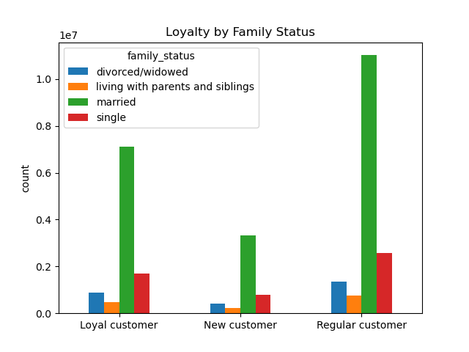

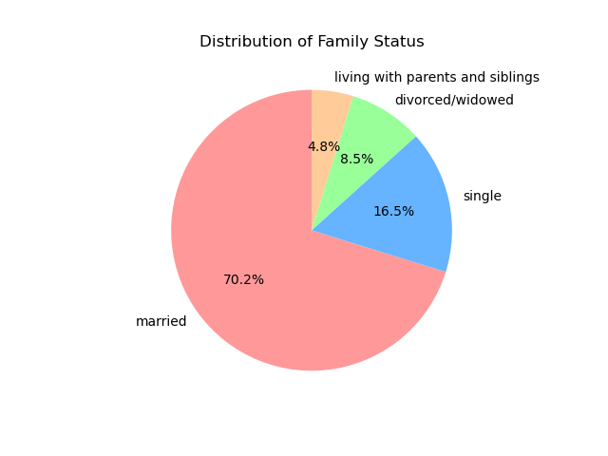

 | Commentary: Customers who are married take the largest share (70%).

 | DEPENDENTS STATUS
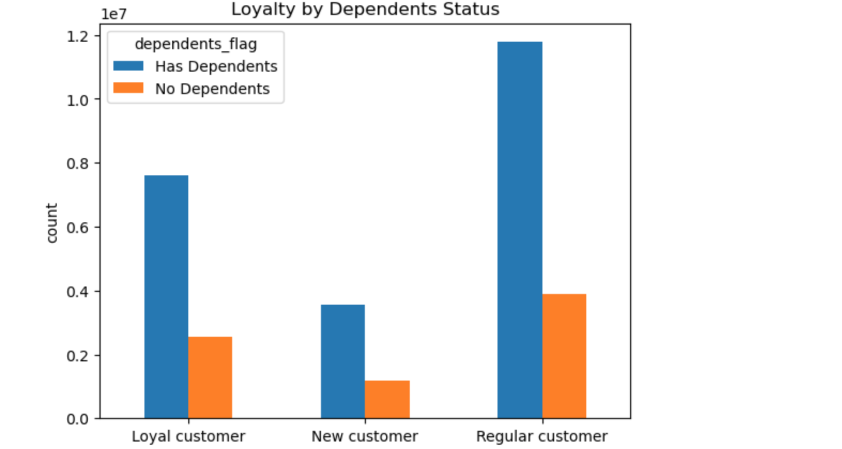

 | Commentary: Customers with dependents have the highest count.

7. Recommendations
 |  |  | Title page

Recommendations

In this tab you should include any recommendations you would made to Instcart in terms of their marketing strategy based on the questions posed in the brief. Every key question has been covered in the Tasks of the Exercises - here you need to add an item - a visualisation or table/crosstable that is showing the answer in the data, acompanied by a comment from you. Please, list the questions below and add the answer underneath.

Question | Answer | Recommendations
Who are Instacart's popular customers? | Most of Instacart's customers are older adults who are high income earners, married and live in the South. | Provide bulk/bundle goods and products that caters to the family.
What are the busiest days of the week and hours of the day? | Saturdays from 8 am - 6pm. | Align inventory to ensure that products are fully stocked by Saturday (8 am - 6 pm).
What is the dependent status of Instacart's regular customer? | 75% of Instacart's customers have a dependent and only 25% don't. | Instacart could offer: family-centric bundles and discounts, subscription or auto-refill for essentials, kid-friendly food options, flexible delivery windows, and incentives for large orders.
What is the income group of Instacart's popular customers? | High income earners (> $100,000) | 1. Highlight curated premium products (such as organic, non-GMO, or gourmet items) that align with their values and are seen as “value adds.” If they’re currently buying basic goods, showing luxury items at discounted prices could appeal to them without compromising perceived value. Promotions on items typically bought by high-income users—like higher-end wines, specialty meats, or eco-friendly products—could subtly encourage higher spending. 2. Personalize serve options. An example could be to offer higher-value servies for a slight premium, such as eco-friendly packaging, or item "replacements" from higher-quality brands when specifi items are out of stock. These options increase both the perceived value of each order and the customer's willingness to spend. 3. Introduce a convenient and hassle-free shopping experience.
How could we convert Instacart's regular customers to loyal customers? | Create a program to reward them for shopping frequently at Instacart. | A point or reward system can help increase Instacart's loyal customers.
What are the most sought after goods at Instacart? | Produce and dairy eggs. | Provide more organic, fresh produce. Make food safety your number one priority.
How does Instacart's customers vary by region? | Although most of Instacart's customers are high earners, they are low spenders when it comes to their groceries. The South leads the U.S. region for the number of customers followed by the West and then the Midwest. The largest sales in the South and West come from produce, dairy eggs, and snacks! | In addition to the bulk products recommended above, deals like buy a dozen eggs and get a dozen free could be a great way to increase customer loyalty. Provide healthy organic options especially for produce and dairy. Keep inventory stock in mind for weather season e.g. hurricane/tornado that is common in the South.

